Sheet1
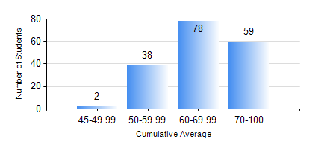
 |  |  | KWAME NKRUMAH UNIVERSITY OF SCIENCE AND TECHNOLOGY, KUMASI Department of Electrical/Electronic Engineering

 |  |  | BSC. ELECTRICAL/ELECTRONIC ENG.

 |  |  | COMPREHENSIVE RECORD OF EXAMINATION RESULTS

 |  |  | RESULTS OF YEAR 3 FIRST SEMESTER, 2020/2021 ACADEMIC YEAR

 | Sn | Course Code |  | Course Name | Credit Hours | Min. Mark | Max. Mark | Avg. Mark | Std. Dev. | No. Passed | No. Trailed | No. (Df) | No. (I) | No. (I*) | No. Tagged(I,I*,Df) | Total
 | 0. |  |  |  |  |  |  | 0 | 0 | 0 | 0 | 0 | 0 | 0 | 0 | 7
 | 1. | COE 381 |  | MICROPROCESSORS | 3 | 39 | 96 | 59 | 13.03 | 169 | 1 | 0 | 0 | 0 | 0 | 170
 | 2. | EE 365 |  | ELECTRICAL SERVICES DESIGN | 2 | 47 | 92 | 72 | 9.39 | 170 | 0 | 0 | 0 | 0 | 0 | 170
 | 3. | EE 367 |  | POWER GENERATION AND SUPPLY | 3 | 41 | 94 | 69 | 11.31 | 170 | 0 | 0 | 0 | 0 | 0 | 170
 | 4. | EE 371 |  | LINEAR ELECTRONIC CIRCUITS | 3 | 20 | 90 | 57 | 11.62 | 165 | 4 | 1 | 0 | 0 | 1 | 170
 | 5. | EE 387 |  | CLASSICAL CONTROL SYSTEMS | 2 | 15 | 93 | 60 | 19.64 | 143 | 27 | 0 | 0 | 0 | 0 | 170
 | 6. | MATH 351 |  | NUMERICAL ANALYSIS | 2 | 18 | 86 | 63 | 8.66 | 169 | 1 | 0 | 0 | 0 | 0 | 170
 | 7. | MATH 353 |  | PROBABILTY AND STATISTICS | 2 | 44 | 91 | 71 | 9.56 | 170 | 0 | 0 | 0 | 0 | 0 | 170
 | 8. | TE 271 |  | ANALOG COMMUNICATION SYSTEMS | 2 | 45 | 99 | 64 | 14.78 | 170 | 0 | 0 | 0 | 0 | 0 | 170

